salesslr2
Regression | Data |  |  | Method 1 |  |  |  | Method 2 |  |  |  |  |  |  |  | ei |  | Link
Store | Area (Sq Ft) | Annual Sales (Lakhs) |  | X2 | Y2 | X*Y |  | x=X - Xi | y=Y - Yi | (X - Xi) (Y - Yi) = x*y | (X - Xi)2 = x2 |  | PredVal | SSR | SSE | Residuals | Std Residuals | FD (Residuals) |  | Durbin Watson |  | Std Dev of Residual
Store | X | Y |  |  |  |  |  | 2.92 | 5.84 |  |  |  | ŷ | (ŷi - ȳ)2 | (Yi - ŷi)2 | (ŷi - yi) | Z = X - Mean/ SD | Upper Limit | Freq | (ei - ei-1) | ei^2 | ei2
1 | 1.7 | 3.7 |  | 2.89 | 13.69 | 6.29 |  | -1.22 | -2.14 | 2.617 | 1.492 |  | 3.801 | 4.167 | 0.0103 | -0.101 | -0.1126 | -1.75 | 1 |  | 0.010 | 0.0103
2 | 1.6 | 3.9 |  | 2.56 | 15.21 | 6.24 |  | -1.32 | -1.94 | 2.567 | 1.746 |  | 3.635 | 4.876 | 0.0704 | 0.265 | 0.2826 | -1.25 | 0 | 0.135 | 0.070 | 0.0704
3 | 2.8 | 6.7 |  | 7.84 | 44.89 | 18.76 |  | -0.12 | 0.86 | -0.104 | 0.015 |  | 5.637 | 0.042 | 1.1297 | 1.063 | 1.1414 | -0.75 | 3 | 0.636 | 1.130 | 1.1297
4 | 5.6 | 9.5 |  | 31.36 | 90.25 | 53.20 |  | 2.68 | 3.66 | 9.796 | 7.175 |  | 10.310 | 19.953 | 0.6557 | -0.810 | -0.8755 | -0.25 | 1 | 3.507 | 0.656 | 0.6557
5 | 1.3 | 3.4 |  | 1.69 | 11.56 | 4.42 |  | -1.62 | -2.44 | 3.961 | 2.629 |  | 3.134 | 7.338 | 0.0708 | 0.266 | 0.2832 | 0.25 | 2 | 1.157 | 0.071 | 0.0708
6 | 2.2 | 5.6 |  | 4.84 | 31.36 | 12.32 |  | -0.72 | -0.24 | 0.175 | 0.520 |  | 4.636 | 1.457 | 0.9296 | 0.964 | 1.0351 | 0.75 | 3 | 0.487 | 0.930 | 0.9296
7 | 1.3 | 3.7 |  | 1.69 | 13.69 | 4.81 |  | -1.62 | -2.14 | 3.474 | 2.629 |  | 3.134 | 7.338 | 0.3204 | 0.566 | 0.6064 | 1.25 | 4 | 0.158 | 0.320 | 0.3204
8 | 1.1 | 2.7 |  | 1.21 | 7.29 | 2.97 |  | -1.82 | -3.14 | 5.724 | 3.318 |  | 2.800 | 9.258 | 0.0100 | -0.100 | -0.1112 | 1.75 | 0 | 0.444 | 0.010 | 0.0100
9 | 3.2 | 5.5 |  | 10.24 | 30.25 | 17.60 |  | 0.28 | -0.34 | -0.096 | 0.078 |  | 6.305 | 0.213 | 0.6475 | -0.805 | -0.8700 | 2.25 | 0 | 0.496 | 0.647 | 0.6475
10 | 1.5 | 2.9 |  | 2.25 | 8.41 | 4.35 |  | -1.42 | -2.94 | 4.183 | 2.020 |  | 3.468 | 5.641 | 0.3223 | -0.568 | -0.6148 |  | 0 | 0.056 | 0.322 | 0.3223
11 | 5.2 | 10.7 |  | 27.04 | 114.49 | 55.64 |  | 2.28 | 4.86 | 11.067 | 5.192 |  | 9.642 | 14.435 | 1.1188 | 1.058 | 1.1359 |  |  | 2.642 | 1.119 | 1.1188
12 | 4.6 | 7.6 |  | 21.16 | 57.76 | 34.96 |  | 1.68 | 1.76 | 2.949 | 2.818 |  | 8.641 | 7.829 | 1.0836 | -1.041 | -1.1245 |  |  | 4.405 | 1.084 | 1.0836
13 | 5.8 | 11.8 |  | 33.64 | 139.24 | 68.44 |  | 2.88 | 5.96 | 17.148 | 8.286 |  | 10.644 | 23.047 | 1.3374 | 1.156 | 1.2422 |  |  | 4.829 | 1.337 | 1.3374
14 | 3 | 4.1 |  | 9 | 16.81 | 12.30 |  | 0.08 | -1.74 | -0.137 | 0.006 |  | 5.971 | 0.016 | 3.5003 | -1.871 | -2.0184 |  |  | 9.165 | 3.500 | 3.5003
Total | 40.9 | 81.8 |  | 157.41 | 594.9 | 302.30 |  |  |  | 63.327 | 37.924 |  | 81.757 | 105.613 | 11.2069 |  |  |  |  | 28.117 | 11.207 | 11.2069 | ei2
Mean | 2.92 | 5.84 |  |  |  |  |  |  |  | SSxy | SSx |  |  | SSR | SSE | StdDev |  |  |  |  |  | 12 | n-2
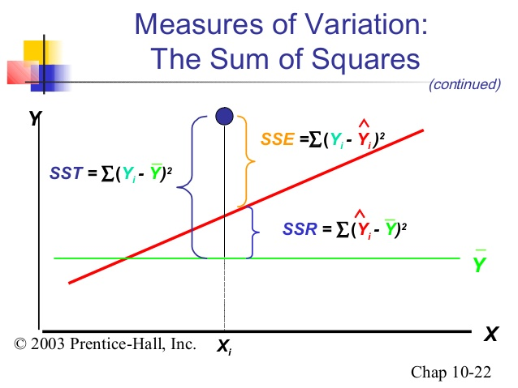
Find |  |  |  |  |  |  |  |  |  |  |  |  |  |  |  | 0.928469 |  |  |  |  |  | 37.924 | (xi - xbar)2
Sample Size | n | 14 |  | SSXY | ∑(XY) - [ ∑(X) * ∑(Y)]/n |  |  |  |  |  |  |  |  |  |  |  |  |  |  |  |  | 0.156927
Sum of X values | ∑ X | 40.9 |  |  | 63.33 |  |  |  |  |  |  |  | ,
Y vs. X
Sum of Y values | ∑ Y | 81.8
Sum of X2 values | ∑ X2 | 157.41 |  | SSX | ∑(Xi)2 - (∑(Xi))2 /n
Sum of Y2 values | ∑ Y2 | 594.9 |  |  | 37.92
Sum of XY values | ∑ XY | 302.30
 |  |  |  | b1 | SSXY/SSX
Mean of Y values | ȳ | 5.8429 |  | bo | ȳ - b1 * x̅
Mean of X Values | x̅ | 2.9214 |  |  |  |  |  |  | Method 2
Predicted Value of Y |  | ŷ |  | b1 | 1.6699 |  |  |  | =63.33/37.92
 |  |  |  | bo | 0.9645 | =5.84 - 1.669 * 2.921
 |  |  |  | ŷi = 0.9645 + 1.6688 * Xi
Measures of Variation |  | SST
Total Sum of Squares |  | SST | ∑ (Yi - ȳ)2
SST = | SSR + SSE
Regression Sum of Squares |  | SSR | ∑ (ŷi - ȳ)2 | 105.613
Unexplained Variation |  | SSE | ∑ (Yi - ŷi)2 | 11.2069

Yi | Observed |  |  | SST | =SSR + SSE
Y-hat | Predicted |  |  |  | 116.820 | =105.6 + 11.2
Y-bar | Mean

Coefficient of Determination |  | r2
Measures Proportion of variation in Y that is explained by IV(X) in model
r2 = |  |  |  |  | SSR | 105.613
Regression Sum of Squares / Total Sum of Squares |  |  | SSR/ SST |  | SST | 116.820
 |  |  |  |  | r2 | =SSR/SST
 |  |  |  |  |  | 0.9041 | =105.6/116.8
Variability due to other factors |  | =1-r2 | 0.0959
Inference : 90.4 % of variation in annual sales is explained by variability in the size of the store as meansure by square footage
Only 9.59% of sample variation in sales is due to factors other than what is accounted for by the linear regression model that uses square footage
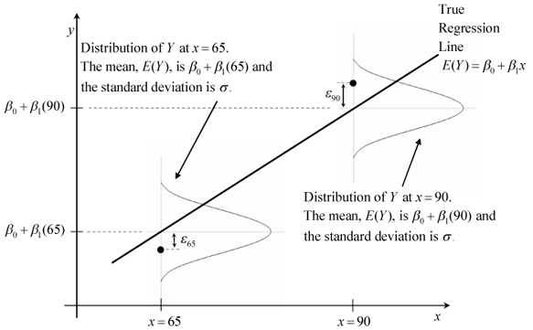
Standard Error of the Estimate |  | Syx
Measures variability of actual Y values from the Predicted Y values in the same SD measures variability of each value around the sample mean

Syx | =sqrt[ SSE/(n-2) ] |  |  | SSE | 11.2069
 |  |  |  | n | 14
 |  |  |  | Syx | 0.966 | =sqrt[ 11.2 / (14-2) ]

Measure of variation around prediction line. Unit is same as dependent variable Y
Units are same as that of Dependent variable Y
Typical difference btween actual & predicted annual sales using regression equation is approx 0.966 lakh

Residual Analysis |  | Assumptions
Is the Model Correct ?
Are the Assumption Valid ?
Residual Analysis used to evaluate the assumption and evaluate whether model selected is valid
X value vs Y Observed Values - Incl Trend/ Regression Line
Plot : Residual vs Xi (Used for Linearity & Equal Variance/ heteroscedastic)

Linearity | Residual Plotted against IV(X)
 | Spread of Residual seen: If spread is +/- around 0 line : Linear Spred
 | Conclude Linear Model

Independence | Plot Residuals (In order of collection of data, not in sorted order) vs Time |  |  |  |  |  | Durbin Watson Test
 | If data exhibits auto-correlation among successive observations- Relationship betw consecutive residuals
 | Errors are not independent

Histogram - Freq vs. Upper Limit
Normality | Make Freq Distr of Residuals. Display in Histogram
 | Difficult to see Normal plot in less values
 | Not to overly concerned about normality for low values

Equal Variance | Plot of Residuals vs Xi
 | y on the vertical axis, and the ZRESID (standardized residuals) on the x axis
 | Residual Vs DV

Z = X - Mean/ SD
Residuals Vs Predicted Value (Yhat)
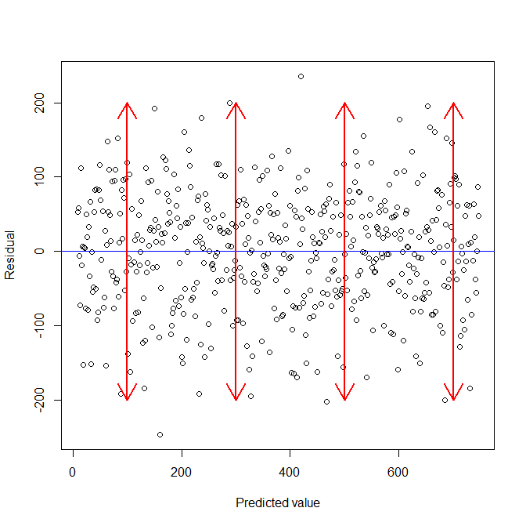

 | If the residuals do not fan out in a triangular fashion that means that the equal variance assumption is met.

 |  |  |  |  |  |  |  |  |  |  |  | It means that when you plot the individual error against the predicted value, the variance of the error predicted value should be constant. See the red arrows in the picture below, the length of the red lines (a proxy of its variance) are the same.

R Programming

Vector X | 1.7,1.6,2.8,5.6,1.3,2.2,1.3,1.1,3.2,1.5,5.2,4.6,5.8,3
 | x = c(1.7,1.6,2.8,5.6,1.3,2.2,1.3,1.1,3.2,1.5,5.2,4.6,5.8,3 )
Vector Y | 3.7,3.9,6.7,9.5,3.4,5.6,3.7,2.7,5.5,2.9,10.7,7.6,11.8,4.1
 | y = c(3.7,3.9,6.7,9.5,3.4,5.6,3.7,2.7,5.5,2.9,10.7,7.6,11.8,4.1 )
 | df = data.frame(x,y)
 | fit=lm(formula = y ~ x) |  |  |  |  | fit2 = lm(y~x,data=df)
 | fit |  | Coefficients: |  |  | Call:
 |  |  | (Intercept) y |  |  | lm(formula = y ~ x, data = df)
 | Residuals: |  | -0.009615 0.500882
 | Min 1Q Median 3Q Max |  |  |  |  | Coefficients:
 | -1.9222 -0.5281 0.2977 0.7138 1.1706 |  |  |  |  | (Intercept) x
 |  |  |  |  |  | 0.04933 1.99095
 | Coefficients:
 | Estimate Std. Error t value Pr(>|t|)
 | (Intercept) 0.04933 0.32133 0.154 0.88 |  |  |  |  |  |  | t | 65.52977962 |  | 37.924
 | x 1.99095 0.02909 68.441 <2e-16 *** |  |  |  |  |  |  |  |  |  | SSx
 | --- |  |  |  |  |  |  |  |  | Syx | 0.96638723995
 | Signif. codes: |  |  |  |  |  |  |  |  | 0.1569266024
 | 0 ‘***’ 0.001 ‘**’ 0.01 ‘*’ 0.05 ‘.’ 0.1 ‘ ’ 1

R2 | Residual standard error: 1.082 on 13 degrees of freedom
0.997 | Multiple R-squared: 0.9972, | Adjusted R-squared: 0.997
 | F-statistic: 4684 on 1 and 13 DF, p-value: < 2.2e-16

 | plot(y,x,col = "blue",main = "Area & Sales", abline(lm(x~y)),cex = 1.3,pch = 16,xlab = "Area in sq ft",ylab = "Sales in 1000 Rs")

 | # diagnostic plots
 | layout(matrix(c(1,2,3,4),2,2)) # optional 4 graphs/page
 | plot(fit)

